Sheet1
Character Name | Character Pic | Character Simple Attack/ Damage (All attack use X button) |  | Character SimpleSkill / Name / Damage |  |  | Character MedSkill / Name/ Damage |  |  | Character UltimateSkill / Name / Damage
Kage |   |  | Original Attack 1, New Damage: 10 |  | Blade Strike | Original Attack 3, New Damage: 20 New Input: B+B+Y |  | Phantom Smash | 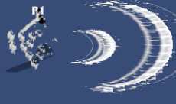 Original Attack 2, this is a consistent attack, have two damage, which means it will have 60 damage for now each is 30. New damage: each hit is 18, so total is 36. New Input: B+B+⬅️+A |  | Shadow Tempest | Original Attack 4, this is a consistent attack, have two damage New Damage: each hit is 35 total hit is 70. New Input: ⬅️+A+B+➡️
Sylva | 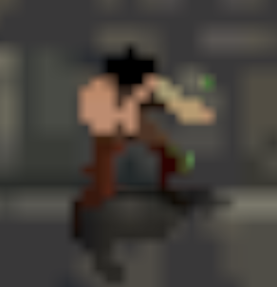 | 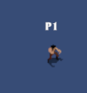 | Original Attack 1 New Damage: 20 | 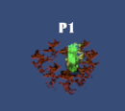 | Vine Lash | 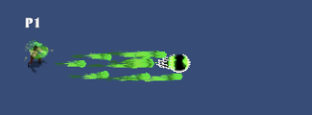 Original Attack 3, New Damage: 25 New Input: Y+Y+⬇️ |  | Thorn Aim | 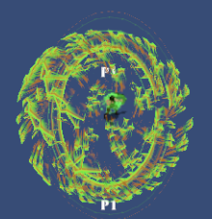 Original Attack 4; New Damage is 35;New input is B+B+A+A |  | Nature's Wrath | Original Attack ; New Damage: 55, New Input is: A+➡️+⬅️+B
Ignis |  |  | Original Attack 1; New Damage: 10 | 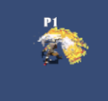 | Molten Cleave | 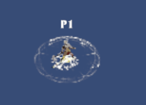 Original Attack 3 New Damage: 20; New Input: B+A+B |  | Flame Slash | 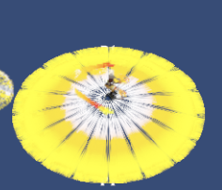 Original Attack 4 New Damage: 30; New Input: Y+B+Y |  | God Cataclysm | Original Attack 2; New Damage: 50; New Input: ➡️+B+B+⬇️
Shade |  |  | Original Attack 1； New Damage: 20 | 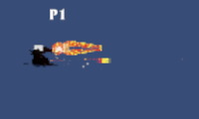 | Quick Shoot | Original Attack 4，this is a consistent attack, have two damage. New Single Time damage: 15 , New Input: B+➡️+➡️ | 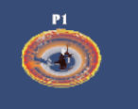 | Shadow Trap | 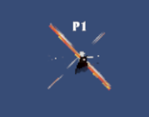 Original Attack 3 New Damage: 30，New Input: Y+⬇️+⬆️ |  | Death’s Cross | Original Attack 2 New Damage: 50 New Input: ⬅️+⬆️+⬇️+➡️
Ruun | 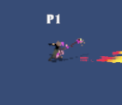 |  | 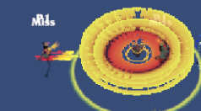 Original Attack 1； New Damage: 10 |  | Storm Shock | 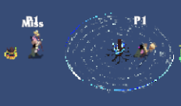 Original Attack 2，New Damage: 35 New Input: A+➡️+➡️+B |  | Lightning Field |  Original Attack 3 New Damage: 35 New Input: Y+⬅️+⬅️+A |  | Tornado Overload | Original Attack 4 New Damage: 50 New Input: Rt+Y+A+B
Tyr | 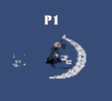 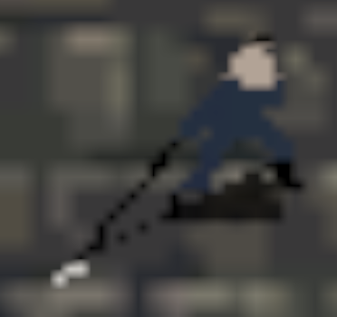 |  | 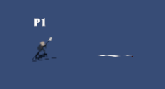 Original Attack 2，New Damage: 20 |  | Knife Throwing |  Original Attack 4, New Damage 25, New Input: B+➡️+➡️ |  | Avalanche Strike |  Original Attack 3 New Damage: 30，New Input: Y+⬇️+⬇️ |  | Piercing Chaos | Original Attack 1, New Damage: 40, New Input: Y+B+➡️+➡️
Kiro |  | 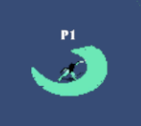 | Original Attack 1,New Damage: 20 | 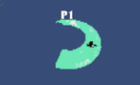 | Twin Slash |  Original Attack 3 New Damage: 25; New Input: A+B+A |  | Circle of Death | Original Attack 4, New damage: 35 , New Input: A+A+Y+Y | 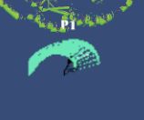 | Blade Flurry | Original Attack 2, this is a consistent attack, have two damage. New Single Time damage: 35 , New Input: Y+➡️+⬅️+B
Jiao | 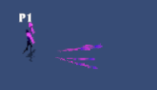 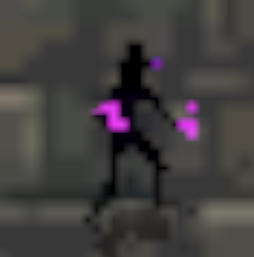 |  | 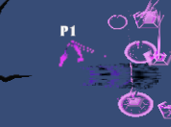 Original Attack 4， New Damage: 10 |  | Soul Swipe | Original Attack 2，New Damage 30, New Input: A+➡️+➡️ | 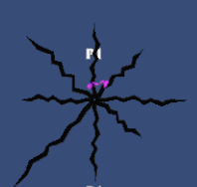 | Hellish tentacle | Original Attack 1，New Damage：35, New Input: A+A+➡️+➡️ | 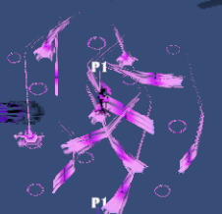 | Eternal Inferno | Original Attack 3 New Damage：55, New Input: Y+A+B+⬇️
Garrick |  |  |  Original Attack 1 New Damage: 20 |  | Shield Bash" | Original Attack 2，New damage：30 New Damage：B+⬅️+⬅️ | 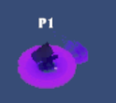 | Titan's Smash | Original Attack 3， New Damage：30,New Input: A+⬇️+⬇️ | 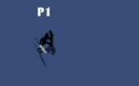 | Unyielding Rampage | Original Attack 4 New Damage：50,New Input: Rt+⬇️+⬆️+A

Ps:1. 更改一下block，block成功了也不能完全miss伤害，会减去3滴血+把所有人的血量提高到120 | 2. 根据每一个角色我写好的技能触发方式和名字，加入到暂停菜单，这个UI是动态的，随着玩家选择的角色变化，例如玩家1暂停，暂停界面会显示玩家1的角色操控，玩家2暂停，暂停界面是玩家2的角色操纵 | 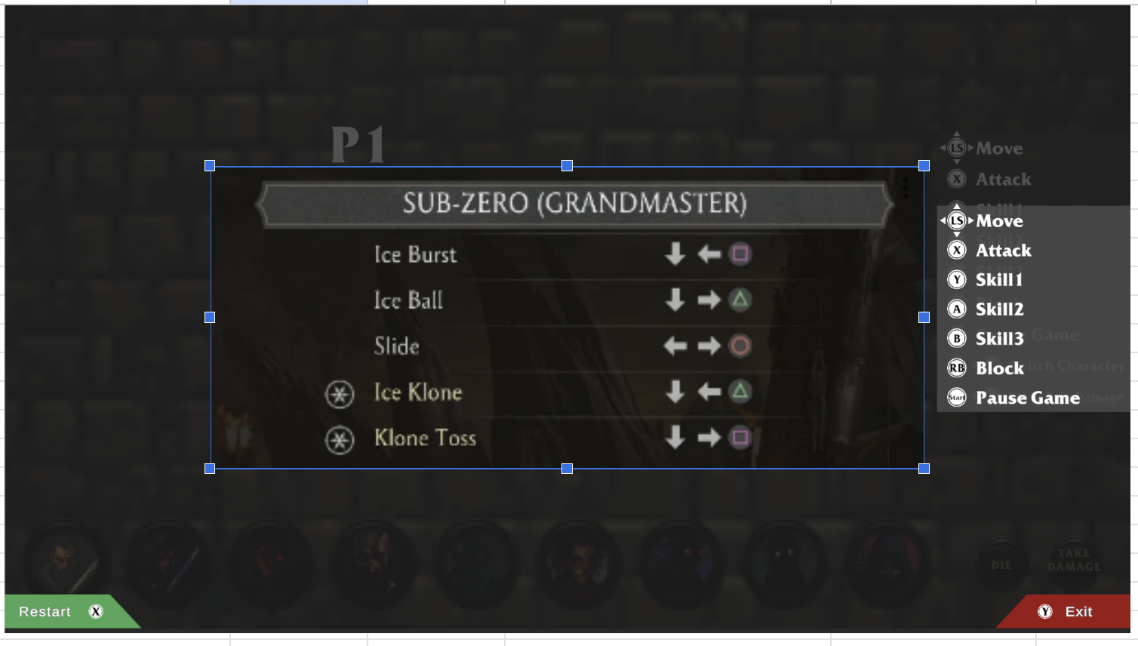 类似于这样：右边原先的UI可以抛弃了，按截图方式放在中间：上面是角色名，底下是操纵方式（动态的 前面提到了）。最上面可以加一个暂停界面的字

